Sheet1
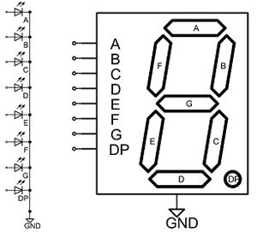

 |  |  |  | PIN STATUS ---HIGH(1) or LOW(0)
Digits | A | B | C | D | E | F | G | DP=Dot Point
0 | 1 | 1 | 1 | 1 | 1 | 1 | 0 | 1 or 0
1 | 0 | 1 | 1 | 0 | 0 | 0 | 0 | 1 or 0
2 | 1 | 1 | 0 | 1 | 1 | 0 | 1 | 1 or 0
3 | 1 | 1 | 1 | 1 | 0 | 0 | 1 | 1 or 0
4 | 0 | 1 | 1 | 0 | 0 | 1 | 1 | 1 or 0
5 | 1 | 0 | 1 | 1 | 0 | 1 | 1 | 1 or 0
6 | 1 | 0 | 1 | 1 | 1 | 1 | 1 | 1 or 0
7 | 1 | 1 | 1 | 0 | 0 | 0 | 0 | 1 or 0
8 | 1 | 1 | 1 | 1 | 1 | 1 | 1 | 1 or 0
9 | 1 | 1 | 1 | 1 | 0 | 1 | 1 | 1 or 0

